sheet1
Dates | Number of negative words | Number of negative words including unemploy | Number of positive words | Net negativity count | Total token count | Net negativity score | Net negativity score with unemploy | Percentage negative | Percentage positive | Inverted | Inverted (with unemployment)
2006-10-03 | 73 | 75 | 46 | 27 | 1687 | 2% | 2% | 0.043272080616 | 0.027267338471 | -2% | -2%
2006-11-07 | 84 | 86 | 50 | 34 | 1983 | 2% | 2% | 0.042360060514 | 0.025214321735 | -2% | -2%
2006-12-05 | 78 | 79 | 40 | 38 | 1555 | 2% | 3% | 0.050160771704 | 0.025723472669 | -2% | -3%
2007-02-06 | 74 | 75 | 51 | 23 | 1602 | 1% | 1% | 0.046192259675 | 0.031835205993 | -1% | -1%
2007-03-06 | 77 | 78 | 39 | 38 | 1459 | 3% | 3% | 0.052775873886 | 0.026730637423 | -3% | -3%
2007-04-03 | 57 | 58 | 48 | 9 | 1330 | 1% | 1% | 0.042857142857 | 0.036090225564 | -1% | -1%
2007-05-01 | 61 | 64 | 41 | 20 | 1505 | 1% | 2% | 0.040531561462 | 0.027242524917 | -1% | -2%
2007-06-05 | 47 | 48 | 50 | -3 | 1466 | 0% | 0% | 0.032060027285 | 0.034106412005 | 0% | 0%
2007-07-03 | 67 | 69 | 61 | 6 | 1800 | 0% | 0% | 0.037222222222 | 0.033888888889 | 0% | 0%
2007-08-07 | 80 | 83 | 50 | 30 | 1648 | 2% | 2% | 0.04854368932 | 0.030339805825 | -2% | -2%
2007-09-04 | 85 | 87 | 55 | 30 | 1887 | 2% | 2% | 0.045045045045 | 0.029146793853 | -2% | -2%
2007-10-02 | 76 | 78 | 51 | 25 | 1662 | 2% | 2% | 0.045728038508 | 0.030685920578 | -2% | -2%
2007-11-06 | 54 | 55 | 47 | 7 | 1620 | 0% | 0% | 0.033333333333 | 0.029012345679 | 0% | 0%
2007-12-04 | 65 | 65 | 38 | 27 | 1447 | 2% | 2% | 0.044920525225 | 0.026261230131 | -2% | -2%
2008-02-05 | 74 | 75 | 53 | 21 | 1886 | 1% | 1% | 0.039236479321 | 0.028101802757 | -1% | -1%
2008-03-04 | 53 | 54 | 46 | 7 | 1539 | 0% | 1% | 0.034437946719 | 0.029889538661 | 0% | -1%
2008-04-01 | 59 | 59 | 35 | 24 | 1560 | 2% | 2% | 0.037820512821 | 0.022435897436 | -2% | -2%
2008-05-06 | 63 | 63 | 30 | 33 | 1430 | 2% | 2% | 0.044055944056 | 0.020979020979 | -2% | -2%
2008-06-03 | 57 | 58 | 41 | 16 | 1406 | 1% | 1% | 0.040540540541 | 0.029160739687 | -1% | -1%
2008-07-01 | 82 | 83 | 27 | 55 | 1469 | 4% | 4% | 0.055820285909 | 0.018379850238 | -4% | -4%
2008-08-05 | 89 | 91 | 25 | 64 | 1327 | 5% | 5% | 0.067068575735 | 0.018839487566 | -5% | -5%
2008-09-02 | 76 | 78 | 35 | 41 | 1673 | 2% | 3% | 0.045427375971 | 0.020920502092 | -2% | -3%
2008-10-07 | 125 | 126 | 31 | 94 | 1869 | 5% | 5% | 0.066880684858 | 0.016586409845 | -5% | -5%
2008-11-04 | 90 | 90 | 21 | 69 | 1767 | 4% | 4% | 0.050933786078 | 0.011884550085 | -4% | -4%
2008-12-02 | 58 | 60 | 15 | 43 | 1599 | 3% | 3% | 0.036272670419 | 0.0093808630394 | -3% | -3%
2009-02-03 | 93 | 94 | 35 | 58 | 1717 | 3% | 3% | 0.054164239953 | 0.02038439138 | -3% | -3%
2009-03-03 | 76 | 78 | 29 | 47 | 1586 | 3% | 3% | 0.047919293821 | 0.018284993695 | -3% | -3%
2009-04-07 | 60 | 63 | 34 | 26 | 1298 | 2% | 2% | 0.046224961479 | 0.026194144838 | -2% | -2%
2009-05-05 | 71 | 76 | 56 | 15 | 1562 | 1% | 1% | 0.045454545455 | 0.035851472471 | -1% | -1%
2009-06-02 | 63 | 64 | 45 | 18 | 1469 | 1% | 1% | 0.042886317223 | 0.03063308373 | -1% | -1%
2009-07-07 | 41 | 43 | 55 | -14 | 1378 | -1% | -1% | 0.029753265602 | 0.039912917271 | 1% | 1%
2009-08-04 | 47 | 48 | 61 | -14 | 1202 | -1% | -1% | 0.039101497504 | 0.05074875208 | 1% | 1%
2009-09-01 | 49 | 51 | 56 | -7 | 1460 | 0% | 0% | 0.033561643836 | 0.038356164384 | 0% | 0%
2009-10-06 | 61 | 63 | 51 | 10 | 1542 | 1% | 1% | 0.039559014267 | 0.033073929961 | -1% | -1%
2009-11-03 | 42 | 43 | 42 | 0 | 1216 | 0% | 0% | 0.034539473684 | 0.034539473684 | 0% | 0%
2009-12-01 | 48 | 52 | 51 | -3 | 1383 | 0% | 0% | 0.034707158351 | 0.036876355748 | 0% | 0%
2010-02-02 | 54 | 58 | 45 | 9 | 1379 | 1% | 1% | 0.039158810732 | 0.032632342277 | -1% | -1%
2010-03-02 | 49 | 52 | 47 | 2 | 1452 | 0% | 0% | 0.033746556474 | 0.032369146006 | 0% | 0%
2010-04-06 | 18 | 19 | 27 | -9 | 910 | -1% | -1% | 0.01978021978 | 0.02967032967 | 1% | 1%
2010-05-04 | 59 | 60 | 53 | 6 | 1331 | 0% | 1% | 0.044327573253 | 0.039819684448 | 0% | -1%
2010-06-01 | 59 | 61 | 36 | 23 | 1353 | 2% | 2% | 0.043606799704 | 0.026607538803 | -2% | -2%
2010-07-06 | 51 | 52 | 33 | 18 | 1412 | 1% | 1% | 0.03611898017 | 0.023371104816 | -1% | -1%
2010-08-03 | 55 | 59 | 49 | 6 | 1584 | 0% | 1% | 0.034722222222 | 0.030934343434 | 0% | -1%
2010-09-07 | 52 | 53 | 58 | -6 | 1520 | 0% | 0% | 0.034210526316 | 0.038157894737 | 0% | 0%
2010-10-05 | 56 | 59 | 46 | 10 | 1462 | 1% | 1% | 0.03830369357 | 0.03146374829 | -1% | -1%
2010-11-02 | 52 | 54 | 51 | 1 | 1616 | 0% | 0% | 0.032178217822 | 0.031559405941 | 0% | 0%
2010-12-07 | 27 | 28 | 32 | -5 | 1204 | 0% | 0% | 0.022425249169 | 0.02657807309 | 0% | 0%
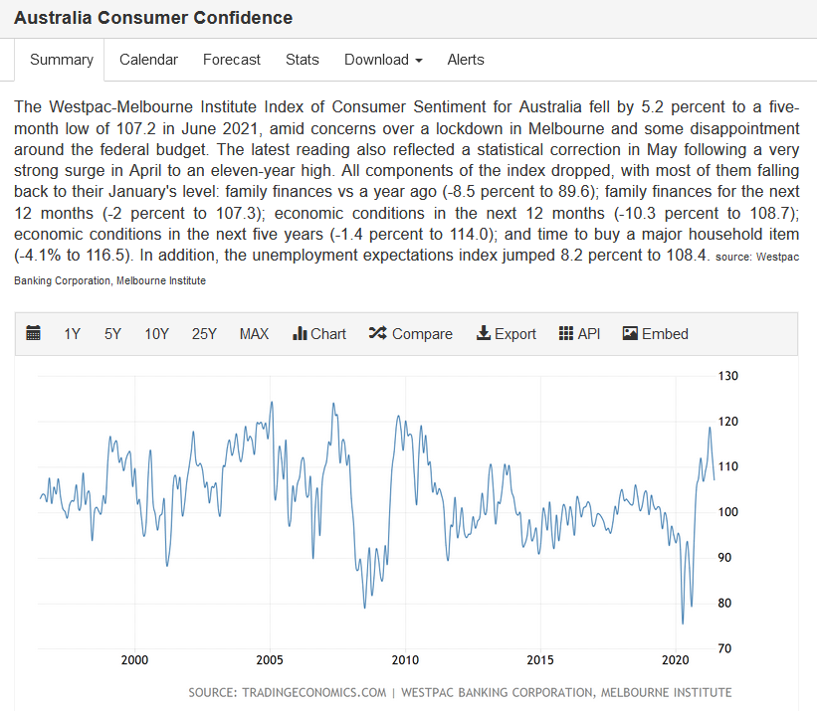
2011-02-01 | 50 | 53 | 49 | 1 | 1557 | 0% | 0% | 0.032113037893 | 0.031470777136 | 0% | 0%
2011-03-01 | 51 | 52 | 44 | 7 | 1372 | 1% | 1% | 0.037172011662 | 0.032069970845 | -1% | -1%
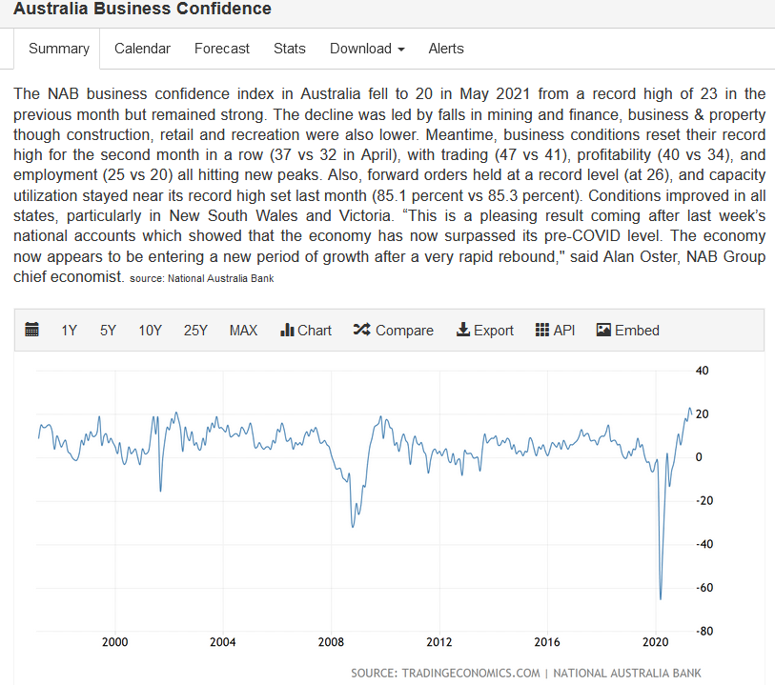
2011-04-05 | 49 | 52 | 45 | 4 | 1156 | 0% | 1% | 0.042387543253 | 0.03892733564 | 0% | -1%
2011-05-03 | 48 | 51 | 45 | 3 | 1501 | 0% | 0% | 0.031978680879 | 0.029980013324 | 0% | 0%
2011-06-07 | 54 | 55 | 33 | 21 | 1297 | 2% | 2% | 0.041634541249 | 0.025443330763 | -2% | -2%
2011-07-05 | 65 | 66 | 45 | 20 | 1301 | 2% | 2% | 0.049961568025 | 0.034588777863 | -2% | -2%
2011-08-02 | 71 | 77 | 42 | 29 | 1632 | 2% | 2% | 0.043504901961 | 0.025735294118 | -2% | -2%
2011-09-06 | 111 | 113 | 75 | 36 | 1875 | 2% | 2% | 0.0592 | 0.04 | -2% | -2%
2011-10-04 | 67 | 73 | 42 | 25 | 1619 | 2% | 2% | 0.041383570105 | 0.025941939469 | -2% | -2%
2011-11-01 | 60 | 63 | 54 | 6 | 1687 | 0% | 1% | 0.035566093657 | 0.032009484292 | 0% | -1%
2011-12-06 | 66 | 70 | 40 | 26 | 1422 | 2% | 2% | 0.04641350211 | 0.028129395218 | -2% | -2%
2012-02-07 | 53 | 56 | 53 | 0 | 1531 | 0% | 0% | 0.034617896799 | 0.034617896799 | 0% | 0%
2012-03-06 | 77 | 80 | 53 | 24 | 1415 | 2% | 2% | 0.054416961131 | 0.037455830389 | -2% | -2%
2012-04-03 | 66 | 71 | 45 | 21 | 1308 | 2% | 2% | 0.050458715596 | 0.034403669725 | -2% | -2%
2012-05-01 | 69 | 70 | 38 | 31 | 1403 | 2% | 2% | 0.049180327869 | 0.027084818247 | -2% | -2%
2012-06-05 | 64 | 68 | 19 | 45 | 1286 | 3% | 4% | 0.049766718507 | 0.014774494557 | -3% | -4%
2012-07-03 | 47 | 49 | 33 | 14 | 1178 | 1% | 1% | 0.039898132428 | 0.028013582343 | -1% | -1%
2012-08-07 | 80 | 83 | 42 | 38 | 1612 | 2% | 3% | 0.049627791563 | 0.026054590571 | -2% | -3%
2012-09-04 | 78 | 81 | 44 | 34 | 1554 | 2% | 2% | 0.050193050193 | 0.028314028314 | -2% | -2%
2012-10-02 | 53 | 54 | 34 | 19 | 1260 | 2% | 2% | 0.042063492063 | 0.026984126984 | -2% | -2%
2012-11-06 | 36 | 37 | 36 | 0 | 1174 | 0% | 0% | 0.03066439523 | 0.03066439523 | 0% | 0%
2012-12-04 | 35 | 36 | 22 | 13 | 885 | 1% | 2% | 0.039548022599 | 0.024858757062 | -1% | -2%
2013-02-05 | 46 | 47 | 48 | -2 | 1436 | 0% | 0% | 0.032033426184 | 0.033426183844 | 0% | 0%
2013-03-05 | 40 | 42 | 42 | -2 | 1330 | 0% | 0% | 0.03007518797 | 0.031578947368 | 0% | 0%
2013-04-02 | 39 | 42 | 36 | 3 | 1125 | 0% | 1% | 0.034666666667 | 0.032 | 0% | -1%
2013-05-07 | 39 | 42 | 41 | -2 | 1420 | 0% | 0% | 0.027464788732 | 0.028873239437 | 0% | 0%
2013-06-04 | 45 | 46 | 30 | 15 | 1225 | 1% | 1% | 0.036734693878 | 0.024489795918 | -1% | -1%
2013-07-02 | 49 | 53 | 27 | 22 | 1168 | 2% | 2% | 0.041952054795 | 0.023116438356 | -2% | -2%
2013-08-06 | 43 | 46 | 27 | 16 | 1237 | 1% | 2% | 0.034761519806 | 0.021827000808 | -1% | -2%
2013-09-03 | 48 | 52 | 45 | 3 | 1380 | 0% | 1% | 0.034782608696 | 0.032608695652 | 0% | -1%
2013-10-01 | 25 | 26 | 34 | -9 | 1046 | -1% | -1% | 0.023900573614 | 0.032504780115 | 1% | 1%
2013-11-05 | 46 | 48 | 34 | 12 | 1300 | 1% | 1% | 0.035384615385 | 0.026153846154 | -1% | -1%
2013-12-03 | 29 | 30 | 34 | -5 | 1186 | 0% | 0% | 0.024451939292 | 0.028667790894 | 0% | 0%
2014-02-04 | 31 | 32 | 41 | -10 | 1374 | -1% | -1% | 0.022561863173 | 0.029839883552 | 1% | 1%
2014-03-04 | 62 | 65 | 44 | 18 | 1388 | 1% | 2% | 0.044668587896 | 0.031700288184 | -1% | -2%
2014-04-01 | 40 | 44 | 34 | 6 | 1197 | 1% | 1% | 0.033416875522 | 0.028404344194 | -1% | -1%
2014-05-06 | 39 | 40 | 31 | 8 | 1292 | 1% | 1% | 0.030185758514 | 0.02399380805 | -1% | -1%
2014-06-03 | 44 | 46 | 34 | 10 | 1157 | 1% | 1% | 0.038029386344 | 0.029386343993 | -1% | -1%
2014-07-01 | 54 | 58 | 32 | 22 | 1322 | 2% | 2% | 0.04084720121 | 0.024205748865 | -2% | -2%
2014-08-05 | 58 | 62 | 42 | 16 | 1425 | 1% | 1% | 0.040701754386 | 0.029473684211 | -1% | -1%
2014-09-02 | 52 | 57 | 41 | 11 | 1265 | 1% | 1% | 0.041106719368 | 0.032411067194 | -1% | -1%
2014-10-07 | 42 | 46 | 25 | 17 | 1162 | 1% | 2% | 0.036144578313 | 0.021514629948 | -1% | -2%
2014-11-04 | 53 | 57 | 32 | 21 | 1460 | 1% | 2% | 0.036301369863 | 0.021917808219 | -1% | -2%
2014-12-02 | 38 | 41 | 19 | 19 | 1189 | 2% | 2% | 0.031959629941 | 0.015979814971 | -2% | -2%
2015-02-03 | 50 | 54 | 33 | 17 | 1729 | 1% | 1% | 0.028918449971 | 0.019086176981 | -1% | -1%
2015-03-03 | 32 | 33 | 32 | 0 | 1569 | 0% | 0% | 0.02039515615 | 0.02039515615 | 0% | 0%
2015-04-07 | 48 | 51 | 27 | 21 | 1503 | 1% | 2% | 0.031936127745 | 0.017964071856 | -1% | -2%
2015-05-05 | 57 | 62 | 34 | 23 | 1625 | 1% | 2% | 0.035076923077 | 0.020923076923 | -1% | -2%
2015-06-02 | 43 | 48 | 31 | 12 | 1370 | 1% | 1% | 0.031386861314 | 0.022627737226 | -1% | -1%
2015-07-07 | 49 | 59 | 50 | -1 | 1621 | 0% | 1% | 0.030228254164 | 0.03084515731 | 0% | -1%
2015-08-04 | 41 | 50 | 42 | -1 | 1633 | 0% | 0% | 0.025107164727 | 0.025719534599 | 0% | 0%
2015-09-01 | 52 | 54 | 30 | 22 | 1514 | 1% | 2% | 0.034346103038 | 0.019815059445 | -1% | -2%
2015-10-06 | 58 | 63 | 50 | 8 | 1601 | 0% | 1% | 0.036227357901 | 0.031230480949 | 0% | -1%
2015-11-03 | 60 | 64 | 29 | 31 | 1763 | 2% | 2% | 0.034032898469 | 0.01644923426 | -2% | -2%
2015-12-01 | 47 | 51 | 29 | 18 | 1322 | 1% | 2% | 0.035552193646 | 0.021936459909 | -1% | -2%
2016-02-02 | 75 | 81 | 44 | 31 | 1826 | 2% | 2% | 0.041073384447 | 0.024096385542 | -2% | -2%
2016-03-01 | 73 | 78 | 30 | 43 | 1547 | 3% | 3% | 0.047188106012 | 0.019392372334 | -3% | -3%
2016-04-05 | 60 | 65 | 49 | 11 | 1783 | 1% | 1% | 0.033651149748 | 0.027481772294 | -1% | -1%
2016-05-03 | 60 | 67 | 46 | 14 | 1674 | 1% | 1% | 0.035842293907 | 0.027479091995 | -1% | -1%
2016-06-07 | 63 | 71 | 38 | 25 | 1611 | 2% | 2% | 0.039106145251 | 0.023587833644 | -2% | -2%
2016-07-05 | 52 | 58 | 29 | 23 | 1523 | 2% | 2% | 0.034143138542 | 0.019041365726 | -2% | -2%
2016-08-02 | 68 | 76 | 39 | 29 | 1831 | 2% | 2% | 0.03713817586 | 0.021299836155 | -2% | -2%
2016-09-06 | 56 | 63 | 36 | 20 | 1700 | 1% | 2% | 0.032941176471 | 0.021176470588 | -1% | -2%
2016-10-04 | 60 | 64 | 54 | 6 | 1858 | 0% | 1% | 0.032292787944 | 0.02906350915 | 0% | -1%
2016-11-01 | 45 | 52 | 41 | 4 | 1760 | 0% | 1% | 0.025568181818 | 0.023295454545 | 0% | -1%
2016-12-06 | 37 | 42 | 39 | -2 | 1466 | 0% | 0% | 0.025238744884 | 0.026603001364 | 0% | 0%
2017-02-07 | 50 | 55 | 53 | -3 | 1692 | 0% | 0% | 0.029550827423 | 0.031323877069 | 0% | 0%
2017-03-07 | 37 | 41 | 49 | -12 | 1640 | -1% | 0% | 0.02256097561 | 0.02987804878 | 1% | 0%
2017-04-04 | 69 | 71 | 71 | -2 | 2030 | 0% | 0% | 0.033990147783 | 0.034975369458 | 0% | 0%
2017-05-02 | 34 | 40 | 45 | -11 | 1898 | -1% | 0% | 0.017913593256 | 0.023709167545 | 1% | 0%
2017-06-06 | 63 | 65 | 52 | 11 | 1755 | 1% | 1% | 0.035897435897 | 0.02962962963 | -1% | -1%
2017-07-04 | 45 | 48 | 59 | -14 | 1700 | -1% | -1% | 0.026470588235 | 0.034705882353 | 1% | 1%
2017-08-01 | 58 | 62 | 59 | -1 | 1895 | 0% | 0% | 0.030606860158 | 0.031134564644 | 0% | 0%
2017-09-05 | 40 | 44 | 64 | -24 | 1650 | -1% | -1% | 0.024242424242 | 0.038787878788 | 1% | 1%
2017-10-03 | 59 | 64 | 54 | 5 | 1934 | 0% | 1% | 0.03050672182 | 0.027921406412 | 0% | -1%
2017-11-07 | 60 | 69 | 64 | -4 | 2002 | 0% | 0% | 0.02997002997 | 0.031968031968 | 0% | 0%
2017-12-05 | 45 | 50 | 58 | -13 | 1639 | -1% | 0% | 0.027455765711 | 0.035387431361 | 1% | 0%
2018-02-06 | 63 | 69 | 82 | -19 | 2034 | -1% | -1% | 0.030973451327 | 0.040314650934 | 1% | 1%
2018-03-06 | 40 | 45 | 48 | -8 | 1628 | 0% | 0% | 0.02457002457 | 0.029484029484 | 0% | 0%
2018-04-03 | 73 | 77 | 79 | -6 | 2134 | 0% | 0% | 0.034208059981 | 0.03701968135 | 0% | 0%
2018-05-01 | 53 | 60 | 65 | -12 | 1994 | -1% | 0% | 0.026579739218 | 0.03259779338 | 1% | 0%
2018-06-05 | 80 | 88 | 68 | 12 | 2143 | 1% | 1% | 0.03733084461 | 0.031731217919 | -1% | -1%
2018-07-03 | 73 | 78 | 83 | -10 | 2365 | 0% | 0% | 0.030866807611 | 0.035095137421 | 0% | 0%
2018-08-07 | 59 | 69 | 62 | -3 | 2138 | 0% | 0% | 0.027595884004 | 0.028999064546 | 0% | 0%
2018-09-04 | 65 | 73 | 64 | 1 | 1926 | 0% | 0% | 0.033748701973 | 0.033229491173 | 0% | 0%
2018-10-02 | 87 | 94 | 89 | -2 | 2545 | 0% | 0% | 0.034184675835 | 0.034970530452 | 0% | 0%
2018-11-06 | 93 | 103 | 80 | 13 | 2306 | 1% | 1% | 0.040329575022 | 0.034692107546 | -1% | -1%
2018-12-04 | 75 | 83 | 50 | 25 | 1989 | 1% | 2% | 0.037707390649 | 0.025138260432 | -1% | -2%
2019-02-05 | 124 | 134 | 61 | 63 | 2596 | 2% | 3% | 0.047765793529 | 0.023497688752 | -2% | -3%
2019-03-05 | 120 | 128 | 54 | 66 | 2464 | 3% | 3% | 0.048701298701 | 0.021915584416 | -3% | -3%
2019-04-02 | 122 | 132 | 61 | 61 | 2433 | 3% | 3% | 0.050143855323 | 0.025071927661 | -3% | -3%
2019-05-07 | 85 | 95 | 47 | 38 | 2086 | 2% | 2% | 0.040747842761 | 0.022531160115 | -2% | -2%
2019-06-04 | 77 | 91 | 47 | 30 | 2131 | 1% | 2% | 0.036133270765 | 0.022055373064 | -1% | -2%
2019-07-02 | 84 | 91 | 63 | 21 | 2065 | 1% | 1% | 0.040677966102 | 0.030508474576 | -1% | -1%
2019-08-06 | 79 | 84 | 60 | 19 | 2051 | 1% | 1% | 0.038517796197 | 0.029254022428 | -1% | -1%
2019-09-03 | 78 | 82 | 35 | 43 | 1571 | 3% | 3% | 0.049649904519 | 0.02227880331 | -3% | -3%
2019-10-01 | 108 | 113 | 70 | 38 | 2226 | 2% | 2% | 0.048517520216 | 0.031446540881 | -2% | -2%
2019-11-05 | 97 | 103 | 66 | 31 | 2150 | 1% | 2% | 0.04511627907 | 0.030697674419 | -1% | -2%
2019-12-03 | 77 | 79 | 47 | 30 | 1652 | 2% | 2% | 0.046610169492 | 0.028450363196 | -2% | -2%
2020-02-04 | 71 | 75 | 39 | 32 | 1803 | 2% | 2% | 0.039378813089 | 0.021630615641 | -2% | -2%
2020-03-03 | 90 | 94 | 36 | 54 | 1628 | 3% | 4% | 0.055282555283 | 0.022113022113 | -3% | -4%
2020-03-18 | 43 | 43 | 30 | 13 | 1482 | 1% | 1% | 0.029014844804 | 0.02024291498 | -1% | -1%
2020-04-07 | 95 | 101 | 44 | 51 | 2250 | 2% | 3% | 0.042222222222 | 0.019555555556 | -2% | -3%
2020-05-05 | 142 | 153 | 57 | 85 | 2558 | 3% | 4% | 0.055512118843 | 0.02228303362 | -3% | -4%
2020-06-02 | 106 | 113 | 39 | 67 | 1879 | 4% | 4% | 0.056412985631 | 0.020755721128 | -4% | -4%
2020-07-07 | 96 | 104 | 35 | 61 | 1787 | 3% | 4% | 0.053721320649 | 0.019585898153 | -3% | -4%
2020-08-04 | 122 | 132 | 60 | 62 | 2407 | 3% | 3% | 0.050685500623 | 0.024927295388 | -3% | -3%
2020-09-01 | 83 | 85 | 51 | 32 | 1896 | 2% | 2% | 0.043776371308 | 0.026898734177 | -2% | -2%
2020-10-06 | 80 | 88 | 70 | 10 | 2178 | 0% | 1% | 0.036730945822 | 0.032139577594 | 0% | -1%
2020-11-03 | 62 | 74 | 87 | -25 | 2211 | -1% | -1% | 0.028041610131 | 0.039348710991 | 1% | 1%
2020-12-01 | 54 | 59 | 49 | 5 | 1760 | 0% | 1% | 0.030681818182 | 0.027840909091 | 0% | -1%
2021-02-02 | 40 | 52 | 82 | -42 | 2183 | -2% | -1% | 0.018323408154 | 0.037562986716 | 2% | 1%
2021-03-02 | 55 | 62 | 69 | -14 | 2121 | -1% | 0% | 0.025931164545 | 0.032531824611 | 1% | 0%

